OXFORD SHIRT
 | Polo Ralph Lauren
 | Button Down Oxford Slim Fit Shirt

REF | IMAGE | COLOUR | DESCRIPTION | STYLE NO | S/1 | M/2 | L/3 | XL/2 | XXL/1 | TOTAL
CS 01 | 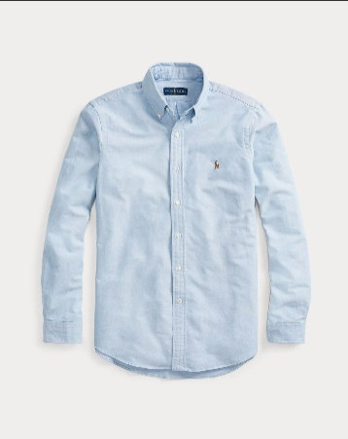 | Blue | Oxford Shirt | 7 10549084007 | 270 | 550 | 830 | 550 | 270 | 2470
CS 02 | 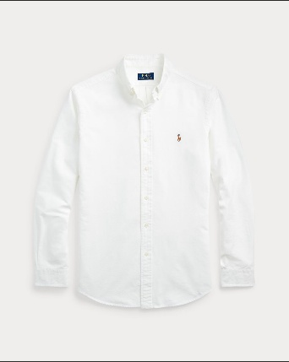 | White | Oxford Shirt | 7 10549084006 | 270 | 550 | 830 | 550 | 270 | 2470
CS 03 | 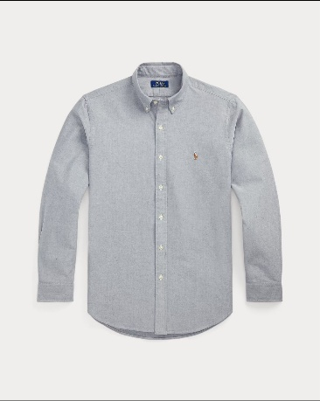 | Grey | Oxford Shirt | 7 10795462005 | 222 | 444 | 666 | 444 | 222 | 1998
CS 04 | 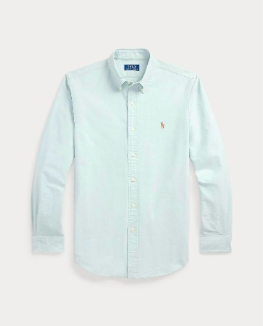 | Mint | Oxford Shirt | 7 10792161017 | 111 | 222 | 333 | 222 | 111 | 999
CS 05 | 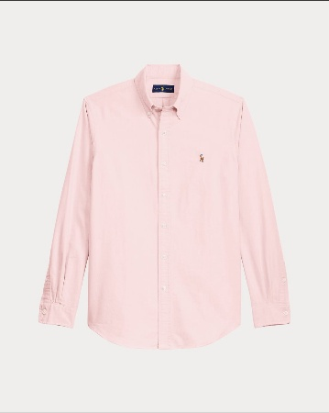 | Pink | Oxford Shirt | 7 10549084008 | 222 | 444 | 666 | 444 | 222 | 1998
 |  |  |  |  |  |  |  |  |  | 9935

